Sheet1
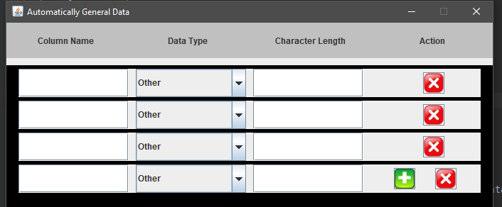
when click green button, it will create record as above and will move green button into new record
kept in each records

